Sampling distribution
Sampling distribution
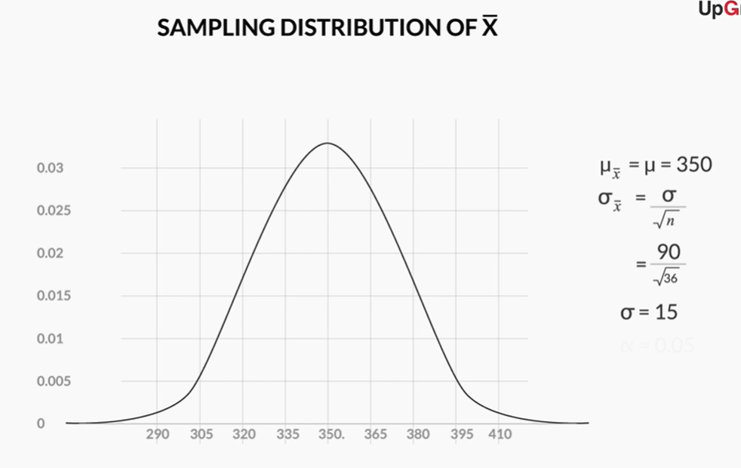
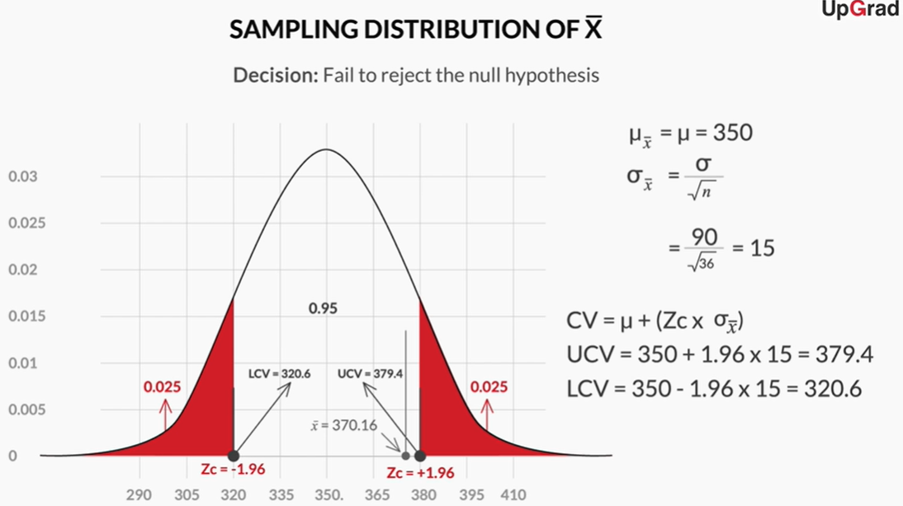
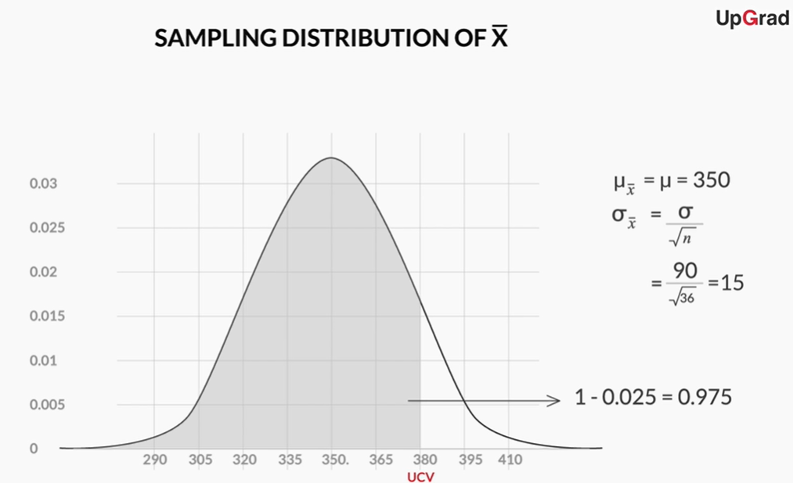

Available data: | Population mean μ = | 350 |  |  | SD of Population σ = | 90 |  |  | sample size n = | 36 |  | Z table value = |  | 1.96

 | SD of sample σ = | = | SD of Population |  | 15 |  |  |  |  |  |  | Critical value = |  | μ | + | (Zc * σ x)
 |  |  | sample size^0.5
 |  |  |  |  |  |  |  |  |  |  |  |  |  | μ | - | (Zc * σ x)
 | Probability of error = | 5 | % | = | 0.05 |  | half LH = | 0.025 |  | half RH = | 0.025
 |  |  |  |  |  |  |  |  |  |  |  | UCV= |  | 350 | + | 29.4

Cumulative probability = |  |  | 1 | - | 0.025 |  | 0.975 |  |  |  |  | UCV= | 379.4

 |  |  |  |  |  |  |  |  |  |  |  | LCV= |  | 350 | - | 29.4

 |  |  |  |  |  |  |  |  |  |  |  | LCV= | 320.6

